top
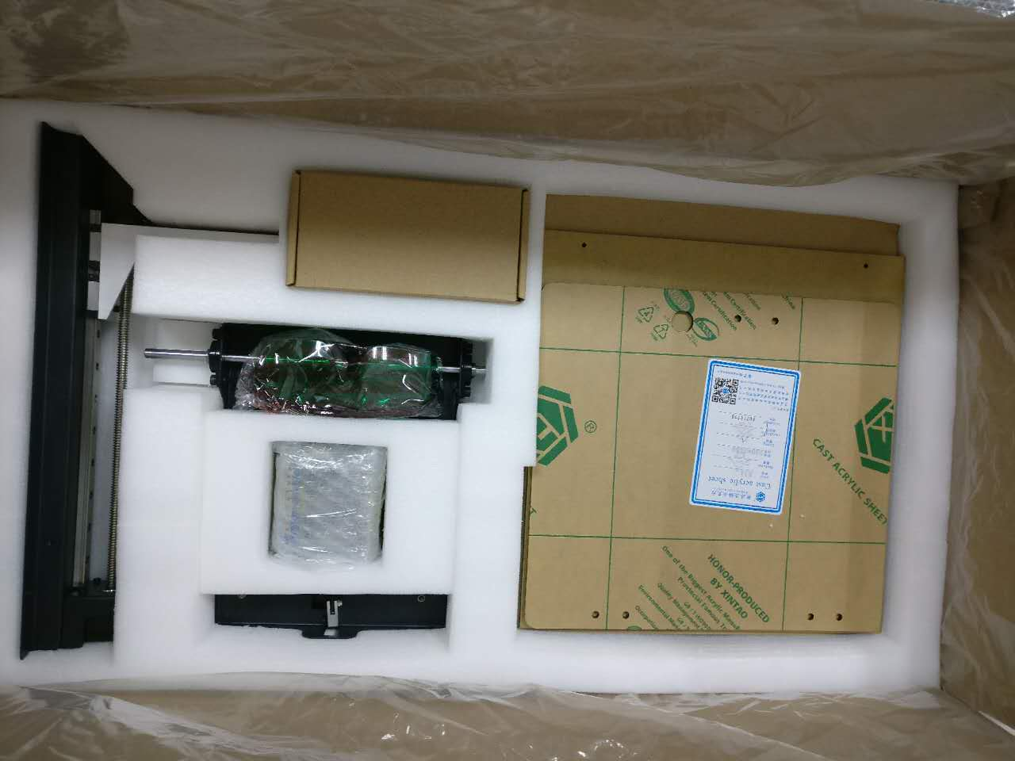
 | Top Level of the box
1 | Z-Axis set | 1 set
2 | Galvo/Laser Set | 1 set
3 | vat platform | 1 set
4 | Goggle | 1 set
5 | Power Plug | 1 unit
6 | Galvo driver | 2 pieces
7 | Left Right frame bars | 6 pieces
8 | Door Lock | 1 piece
9 | Power Adapter | 1 unit
10 | VAT | 1 unit
11 | Build Plate | 1 unit
12 | Acrlic Top | 1 unit
13 | Acrlic Door | 1 unit
14 | Accessories Box | 1 Box

mid
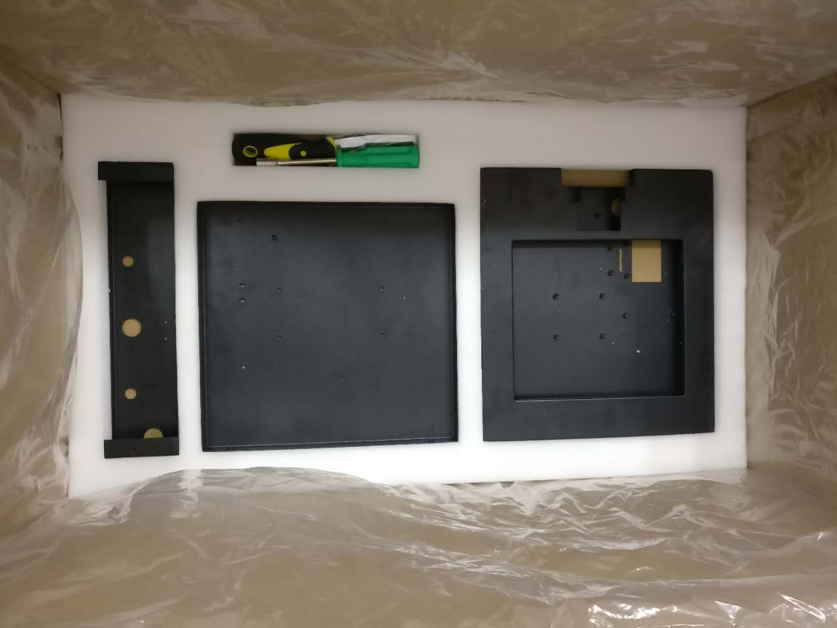
 | Mid level of the Box
1 | Front Frame Metal Panel | 1 unit
2 | Bottom Metal Panel | 1 unit
3 | platform metal panel | 1 unit
4 | Riser Motor Metal Panel | 1 unit
5 | Scraper | 1 unit
6 | Philips Screwdriver | 1 unit
7 | Hex Screwdriver | 1 unit

bottom
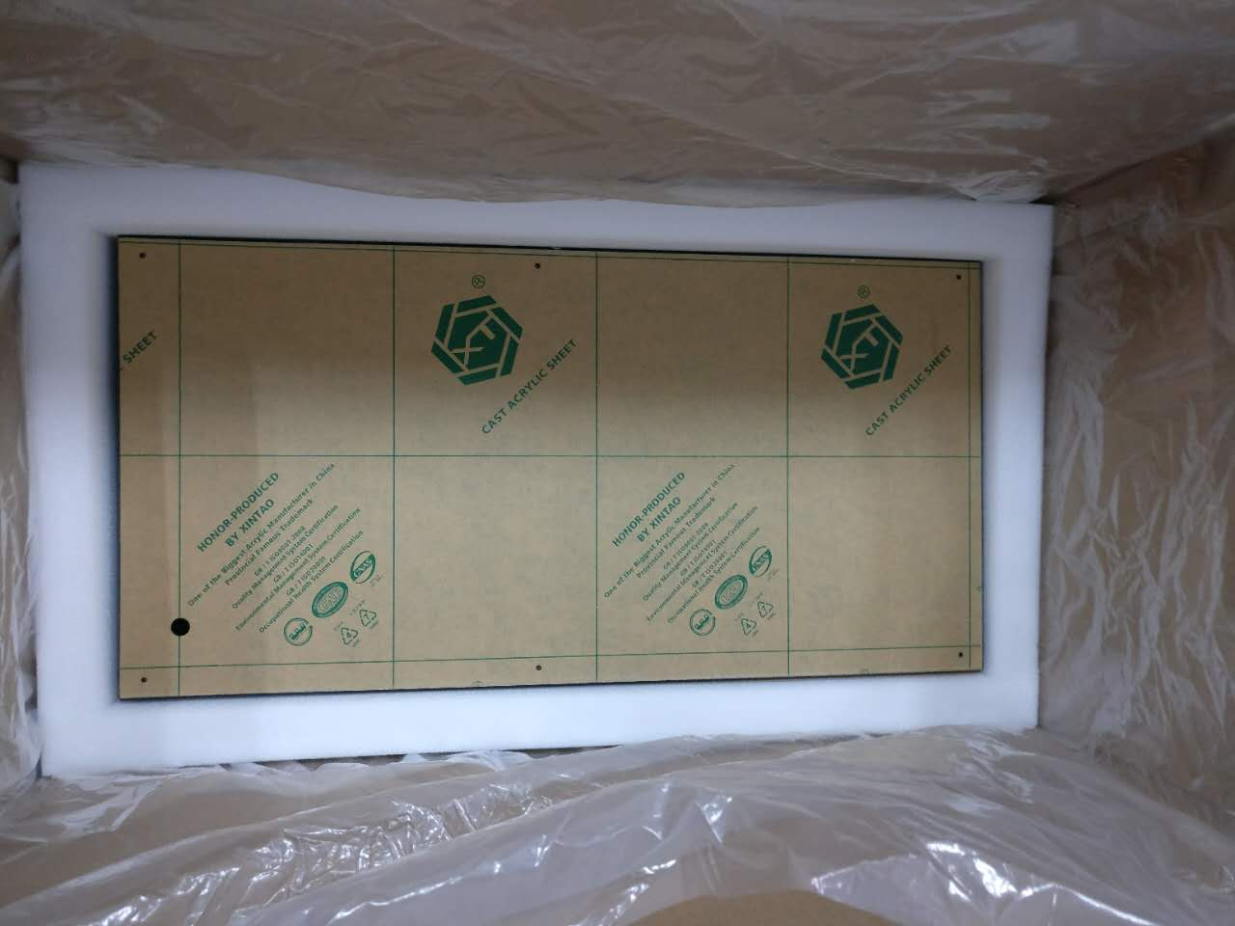
 | Lower Level of the Box
1 | Front Frame | 1 unit
2 | Back Frame | 1 unit
3 | Acrylic Panel | 4 units
4 | Cable Pack | 1 bag 11 cables
5 | Main Board | 1 unit
6 | Power Board | 1 unit
7 | Control Board | 1 unit
8 | SD Reader | 1 unit

